Sheet1
Client Command Table for A7(ref:Soc temperature client based example on silabs)
Client Application Design Spreadsheet
Use this table to help you design your program. Add rows as needed. | Use this column to describe when and what your LCD display changes to for rows like DISPLAY_ROW_CONNECTION | Use this column to denote if BT stack events cause your state machine to advance, you can put an X in the cell to note this. Drawing a bubble diagram of your state machine might also be a good idea. | Commands that may be useful: gecko_cmd_le_gap_set_discovery_type() gecko_cmd_le_gap_set_discovery_timing() gecko_cmd_le_gap_start_discovery() gecko_cmd_le_gap_end_procedure() gecko_cmd_le_gap_connect() gecko_cmd_gatt_discover_primary_services_by_uuid() gecko_cmd_gatt_discover_characteristics_by_uuid() gecko_cmd_gatt_set_characteristic_notification() gecko_cmd_gatt_send_characteristic_confirmation()

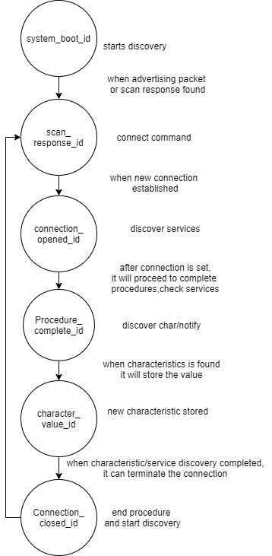
BT Stack Event ID | LCD Display State | Advances State Machine | Commands called in response to event | Notes
gecko_evt_system_boot_id | "CLIENT" |  | This event is generated on stack boot up | You can also document in column D values that need to be saved in response to receiving BT stack events.
 | address of the client device |  | gecko_cmd_le_gap_set_discovery_type() | set PHY and set scanning type as passive scanning
 |  |  | gecko_cmd_le_gap_set_conn_parameters() | connection parameters
 |  |  | gecko_cmd_le_gap_set_discovery_timing() | set PHY,scan_interval and scan_window
 | "Discovering" | X | gecko_cmd_le_gap_start_discovery() | start scanning advertising devices with PHY & bt discovery

gecko_evt_le_gap_scan_response_id | "Connected" |  | This event is generated when an advertisement packet or a scan response is received from a slave
 | address of connected device | X | gecko_cmd_le_gap_connect() | connect to the device

gecko_evt_le_connection_opened_id |  |  | This event is generated when a new connection is established
 |  | X | gecko_cmd_gatt_discover_primary_services_by_uuid() | discover for health thermometer service

gecko_evt_le_connection_closed_id |  |  | This event is generated when a connection is dropped
 |  |  | gecko_cmd_le_gap_end_procedure() | end connection
 |  | X | gecko_cmd_le_gap_start_discovery() | start discovery
gecko_evt_gatt_procedure_completed_id |  |  | This event is generated for various procedure completions, e.g. when a write procedure is completed, or service discovery is completed. Each GATT command we issue results in 1 of these events.
 |  | X | gecko_cmd_gatt_discover_characteristics_by_uuid() | service discovery finished & discover characteristic of temp
 |  |  | gecko_cmd_gatt_set_characteristic_notification() | character discovery finished,stop discovery enable notificatn

gecko_evt_gatt_service_id |  |  | This event is generated from gecko_cmd_gatt_discover_primary_services_by_uuid() | when new service is found,event generated and stores the service.
 |  |  | evt->data.evt_gatt_service.service | store the new service.

gecko_evt_gatt_characteristic_id |  |  | This event is generated from gecko_cmd_gatt_discover_characteristics_by_uuid() | when new characteristics is found,this event is generated.
 |  |  | evt->data.evt_gatt_characteristic.characteristic | store new characteristic

gecko_evt_gatt_characteristic_value_id | Handling indications |  | This event is generated when a characteristic value was received e.g. an indication from the server
 |  | X | gecko_cmd_gatt_send_characteristic_confirmation() | reply to confirmation of indication
 |  |  | gecko_cmd_le_connection_rssi() | measure connection

gecko_evt_le_connection_rssi_id |  |  | This event is generated when RSSI value was measured
 |  |  | rssi=evt->data.evt_le_connection_rssi.rssi; | get rssi and set tx power accordingly

gecko_evt_hardware_soft_timer_id |  |  | This event is generated by the 1 second BT stack timer we started up & use this to perform the 1 second period toggling of the LCD display EXTCOMIN signal, for static charge build-up management

